BELTS
 |  |  |  | US SIZE
Model/SKU | Image | Description | Color | UK SIZE | 85 cm | 90cm | 95cm | 105cm | 115cm | QTY | USA MSRP | retail | price
670338/0772408 |  | Gancini reversible belt | BLACK/BROWN |  |  |  | 20 | 45 | 62 | 127 |  | 460.00 € | 255.08 €
670338/772412 | 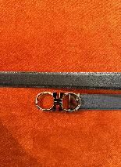 | reversible belt | BLUE/BLACK |  |  |  | 10 | 56 | 79 | 145 |  | 460.00 € | 255.08 €
670128/0752677 | 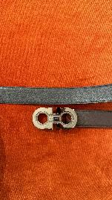 | Ferragamo reversible Gancini belt | BLACK/BROWN |  |  |  | 84 | 13 | 21 | 118 |  | 460.00 € | 255.08 €
670118/772400 |  | Ferragamo reversible Gancini belt | BLACK/BROWN |  |  |  | 50 | 41 | 42 | 133 |  | 460.00 € | 255.08 €
670118/772401 | 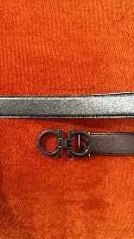 | FERRAGAMO Reversible leather belt | BLACK/BROWN |  |  |  | 10 | 25 | 49 | 84 |  | 460.00 € | 255.08 €
670118/758523 | 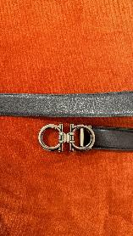 | FERRAGAMO Reversible leather belt | BLACK |  |  |  | 173 | 222 | 300 | 695 |  | 460.00 € | 255.08 €
670118/0758524 | 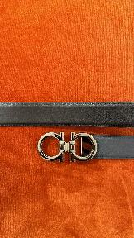 | FERRAGAMO Reversible leather belt | BLACK/BLUE NAVY |  |  |  | 53 | 44 | 23 | 120 |  | 460.00 € | 255.08 €
670118/0758516 | 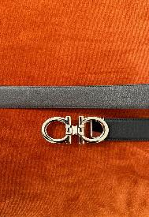 | FERRAGAMO Reversible leather belt | BLACK/BROWN |  |  |  | 0 | 117 | 0 | 117 |  | 460.00 € | 255.08 €
670118/0758517 |  | Ferragamo reversible Gancini belt liscio | BLACK/BROWN |  |  |  | 240 | 289 | 249 | 778 |  | 460.00 € | 255.08 €
670118/0758518 | 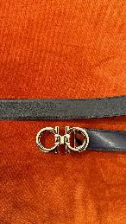 | Ferragamo reversible Gancini belt | BLUE/BLACK |  |  |  | 201 | 219 | 192 | 612 |  | 460.00 € | 255.08 €

 |  |  |  |  |  |  |  |  |  | 2929

